PAGE 1
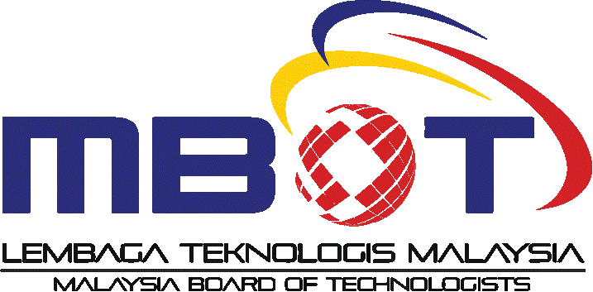
APPLICATION FOR PROFESSIONAL TECHNICAL CERTIFICATION

Skills programmes recognised by the Department of Skills Development (DSD) that seek Professional Technical Certification from the Malaysia Board of Technologists (MBOT) must align with technical services, specifically product testing, product commissioning, and product maintenance

(Accredited centre is required to complete all information in Sections A to D. Failure to do so may result in the application not being processed or being rejected)

SECTION A: GENERAL INFORMATION
Name of accredited centre
Address of accredited centre
Leader of accredited centre
Website of accredited centre (if available)

SECTION B: DETAILS OF STAFF TO BE CONTACTED
Name
Designation
Email
Fax
Phone Number

SECTION C: PROGRAMME INFORMATION
Name of programme
Date of accreditation awarded by DSD
MBOT field
MQF level
NOSS code
Type of recognition
Total training hour |  | hour
Training hours related to product testing, product commissioning and product maintenance (70% of the total training hours are mandatory and focused on product testing, product commissioning and product maintenance) | Product testing |  | hour
 | Product commissioning |  | hour
 | Product maintenance |  | hour
Name of training staff (Programme is mandatory to have a minimum of one training staff registered as a Professional Technologist or Certified Technician, with the other training staff registered as Graduate Technologists or Qualified Technicians) | 1
 | 2
 | 3
 | 4
 | 5
 | 6
 | 7
 | 8
 | 9
 | 10

